pivot 1
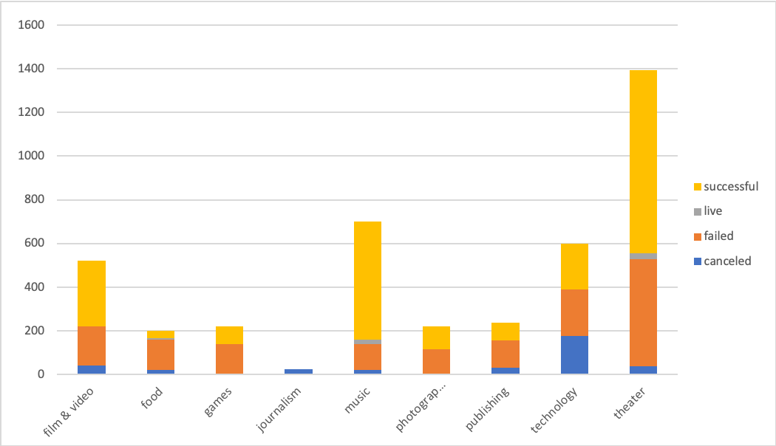
country | (All)

Count of state | Column Labels
Row Labels | canceled | failed | live | successful | Grand Total
film & video | 40 | 180 |  | 300 | 520
food | 20 | 140 | 6 | 34 | 200
games |  | 140 |  | 80 | 220
journalism | 24 |  |  |  | 24
music | 20 | 120 | 20 | 540 | 700
photography |  | 117 |  | 103 | 220
publishing | 30 | 127 |  | 80 | 237
technology | 178 | 213 |  | 209 | 600
theater | 37 | 493 | 24 | 839 | 1393
Grand Total | 349 | 1530 | 50 | 2185 | 4114

pivot 2
country | (All)

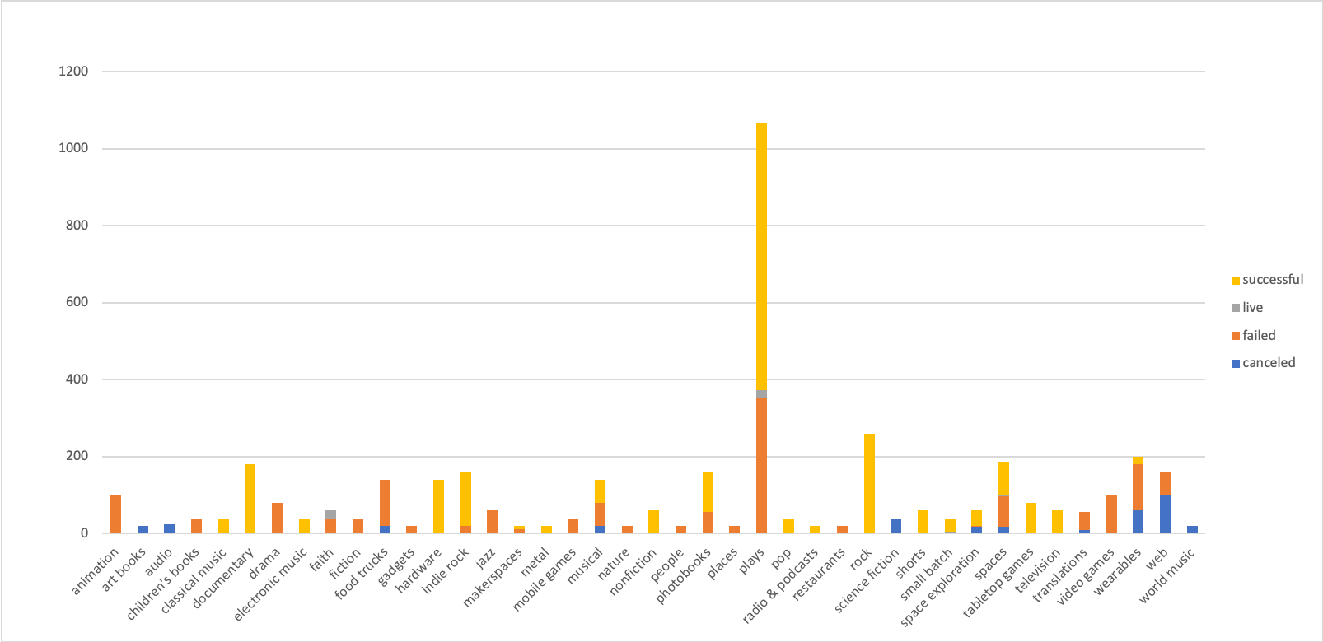
Count of state | Column Labels
Row Labels | canceled | failed | live | successful | Grand Total
animation |  | 100 |  |  | 100
art books | 20 |  |  |  | 20
audio | 24 |  |  |  | 24
children's books |  | 40 |  |  | 40
classical music |  |  |  | 40 | 40
documentary |  |  |  | 180 | 180
drama |  | 80 |  |  | 80
electronic music |  |  |  | 40 | 40
faith |  | 40 | 20 |  | 60
fiction |  | 40 |  |  | 40
food trucks | 20 | 120 |  |  | 140
gadgets |  | 20 |  |  | 20
hardware |  |  |  | 140 | 140
indie rock |  | 20 |  | 140 | 160
jazz |  | 60 |  |  | 60
makerspaces |  | 11 |  | 9 | 20
metal |  |  |  | 20 | 20
mobile games |  | 40 |  |  | 40
musical | 20 | 60 |  | 60 | 140
nature |  | 20 |  |  | 20
nonfiction |  |  |  | 60 | 60
people |  | 20 |  |  | 20
photobooks |  | 57 |  | 103 | 160
places |  | 20 |  |  | 20
plays |  | 353 | 19 | 694 | 1066
pop |  |  |  | 40 | 40
radio & podcasts |  |  |  | 20 | 20
restaurants |  | 20 |  |  | 20
rock |  |  |  | 260 | 260
science fiction | 40 |  |  |  | 40
shorts |  |  |  | 60 | 60
small batch |  |  | 6 | 34 | 40
space exploration | 18 | 2 |  | 40 | 60
spaces | 17 | 80 | 5 | 85 | 187
tabletop games |  |  |  | 80 | 80
television |  |  |  | 60 | 60
translations | 10 | 47 |  |  | 57
video games |  | 100 |  |  | 100
wearables | 60 | 120 |  | 20 | 200
web | 100 | 60 |  |  | 160
world music | 20 |  |  |  | 20
Grand Total | 349 | 1530 | 50 | 2185 | 4114

pivot 3
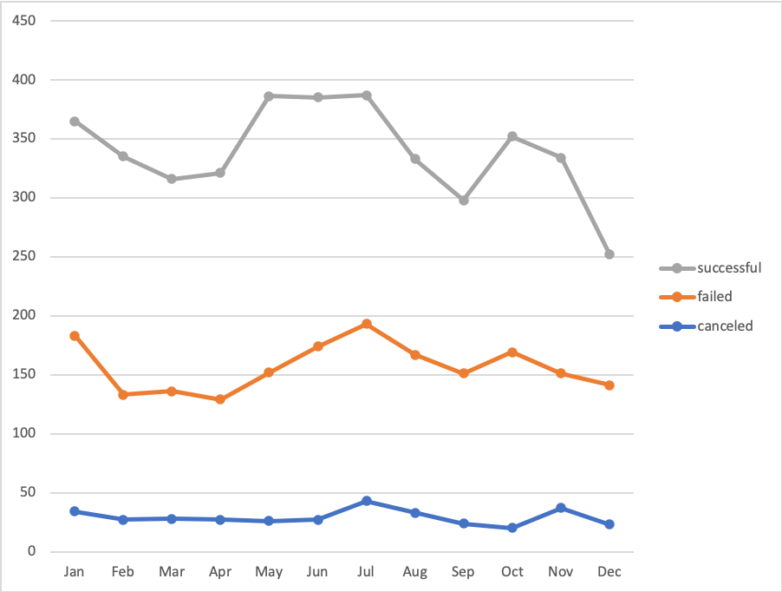
Category | (All)
Years | (All)

Count of state | Column Labels
Row Labels | canceled | failed | successful | Grand Total
Jan | 34 | 149 | 182 | 365
Feb | 27 | 106 | 202 | 335
Mar | 28 | 108 | 180 | 316
Apr | 27 | 102 | 192 | 321
May | 26 | 126 | 234 | 386
Jun | 27 | 147 | 211 | 385
Jul | 43 | 150 | 194 | 387
Aug | 33 | 134 | 166 | 333
Sep | 24 | 127 | 147 | 298
Oct | 20 | 149 | 183 | 352
Nov | 37 | 114 | 183 | 334
Dec | 23 | 118 | 111 | 252
Grand Total | 349 | 1530 | 2185 | 4064

